Instructions
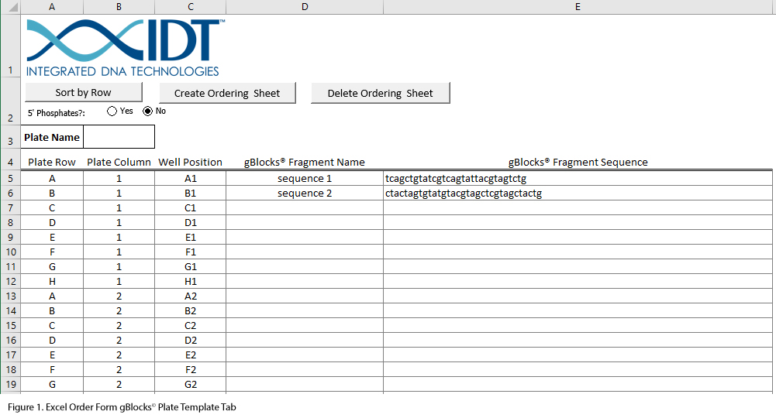
gBlocks™ Gene Fragments in Plates
• | This form requires the use of macros in Excel. You may need to click on a button or icon to enable the macros to function in Excel.
• | Complete this form and return it to IDT with your order information. For multiple plate orders, each plate must be entered on a separate form.
• | For the fastest turnaround time, we recommend that you screen the gBlocks Gene Fragment sequences online for any potential manufacturing issues by using the gBlocks Gene Fragments Entry tool as described below.

Ordering steps:
1) | Enter the Plate Name, and the names and sequences for each gene fragment, into the rows corresponding to the desired location on the plate on the gBlocks Plate Template tab in this document (Figure 1). Screen the gBlocks Gene Fragment sequences online, as described below, for any potential manufacturing issues by using the gBlocks Gene Fragments Entry tool. For your convenience, you can list the well positions by rows or columns by clicking on the button at the top of the sheet.
 | a. Copy the entries in columns D and E on the gBlocks Plate Template tab in this document (Figure 1). b. Follow the link below to the gBlocks Gene Fragments Entry tool (Figure 2). c. Click on Bulk Input at top left of the tool. d. Paste the sequences and click on Update. e. Click on Add to Order (this will start the sequence checks). f. Remove or modify problematic sequences from this document. Complexities such as repeats, hairpins, and extremes in GC content can limit our ability to synthesize certain sequences as gBlocks Gene Fragments. This spreadsheet cannot screen for those manufacturing constraints.
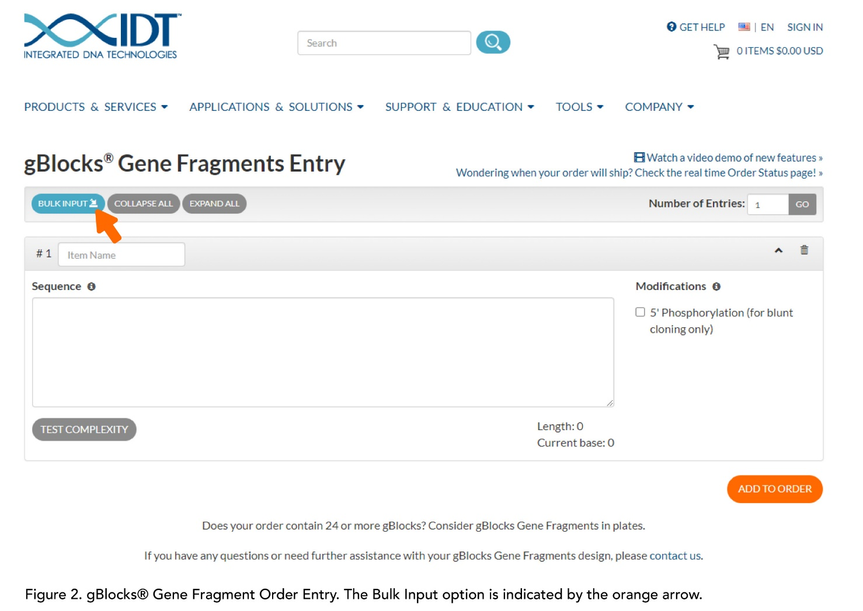
 | gBlocks Gene Fragments order entry

2) | When you have entered all of your sequences, press the Create Ordering Sheet button. This will generate a separate sheet in a format that can be read by IDT's ordering system. Please do not alter this page after it has been generated.
3) | Send the completed spreadsheet to your IDT representative or genes@idtdna.com. You should receive a confirmation for your order within 3 business days.

 | If you make an error after creating the Ordering Sheet, click on the Delete Ordering Sheet button can be clicked to remove the ordering tab. The gBlocks Plate Template sheet will not be deleted. You can correct any mistakes on the gBlocks® Plate Template and the create a new Ordering Sheet.

 | If you have any questions or comments, please contact your IDT representative or genes@idtdna.com.

